Test cases
TE Name | Test case number | Test case name | Description | Test Steps | Test Data | Expected Result | Actual Result | Severity | Priority | Tested By | Test Status | Test Creation Date | Test Execution Date | DEFECT NO
KANCHAN | TC_01 | Verify the login functionality of OrangeHRM when a user enter a Lowercase characters of login ID and correct Password | Verify the behavior of the login functionality when a user enter only lowercase characters of login ID and validPassword then click on login button. | 1.Open the OrangeHRM application 2. Enter all lowercase charactersof user ID. 3.Enter valid password. 4.Click on login button. | UserID : admin Password:admin123 | Error message | A pop up box of an error message | Medium | High | kanchan | pass | 2025-05-30 | 2025-05-30
KANCHAN | TC_02 | Verify the login functionality of OrangeHRM when a user enter with Only all uppercase characters of id and correct password. | Verify the behavior of the login functionality when a user enter only all uppercase characters of loginID and valid password then click on login button. | 1.open the OrangeHRM application 2. Enter all uppercase characters of userID. 3.Enter valid password. 4.Click on login button. | UserID:ADMIN Password:admin123 | A pop up box of an error message | Should land on Home page | High | Medium | kanchan | Fail | 2025-05-30 | 2025-05-30 | TC_02_DT_001
KANCHAN | TC_03 | Verify the login functionality of OrangeHRM when a Numarics of userid and correct password. | Verify the behavior of the login functionality when a user enter Numarics of loginID and valid password then click on login button. | 1.open the OrangeHRM application 2.Enter invalid username &valid password 3.Click on login button 4.A pop up box of an error message | UserID:12345 Password:admin123 | A pop up box of an error message | A popup box of an error message.(CSRF token validation failed ) | Medium | High | kanchan | pass | 2025-05-30 | 2025-05-30
KANCHAN | TC_04 | Verify the login functionality of OrangeHRM when a special characters of userID and password | Verify the behavior of the login functionality when a user enter special characters of userID and password | 1.Enter invalid username &valid password 2.Click on login button 3.A pop up box of an error message | UserID:Admin@123 Password:admin123 | A pop up box of an error message | A popup box of an error message.(CSRF token validation failed ) | Medium | High | kanchan | pass | 2025-05-30 | 2025-05-30
KANCHAN | TC_05 | Verify the login functionality of OrangeHRM when a valid userID and valid password | Verify the behavior of the login functionality when a valid userID and valid password | 1.Enter valid username & Password 2.Click on login button 3. Navigate to the home page | UserID:Admin Password:admin123 | Land on Home page and to see the products | Land on Home page and to see the products | High | High | kanchan | pass | 2025-05-30 | 2025-05-30
KANCHAN | TC_06 | Verify the login functionality of OrangeHRM when a valid userID and upper case characters of password | Verify the behavior of the login functionality when a valid userID and upper case characters of password | 1.Enter invalid username &valid password 2.Click on login button 3.A pop up box of an error message | UserID:Admin Password:ADMIN123 | A pop up box of an error message | A pop up box of an error message | Medium | High | kanchan | pass | 2025-05-30 | 2025-05-30
KANCHAN | TC_07 | Verify the login functionality of OrangeHRM when a valid userID and lower case characters of password | Verify the behavior of the login functionality when a valid userID and lower case characters of password | 1.Enter invalid username &valid password 2.Click on login button 3.Navigate to the home page | UserID:Admin Password:admin123 | Land on Home page and to see the HOME PAGE | Land on Home page and to see the HOME PAGE | High | High | kanchan | pass | 2025-05-30 | 2025-05-30
KANCHAN | TC_08 | Verify the login functionality of OrangeHRM when a valid Userid and numarics of password | Verify the behavior of the login functionality when a valid Userid and numarics of password | 1.Enter invalid username &valid password 2.Click on login button 3.A pop up box of an error message | UserID:Admin Password:123 | A popup box of an error message(Invalid credentials) | A popup box of an error message(Invalid credentials) | High | High | kanchan | pass | 2025-05-30 | 2025-05-30

 |  |  |  |  |  |  |  |  |  |  |  |  |  | 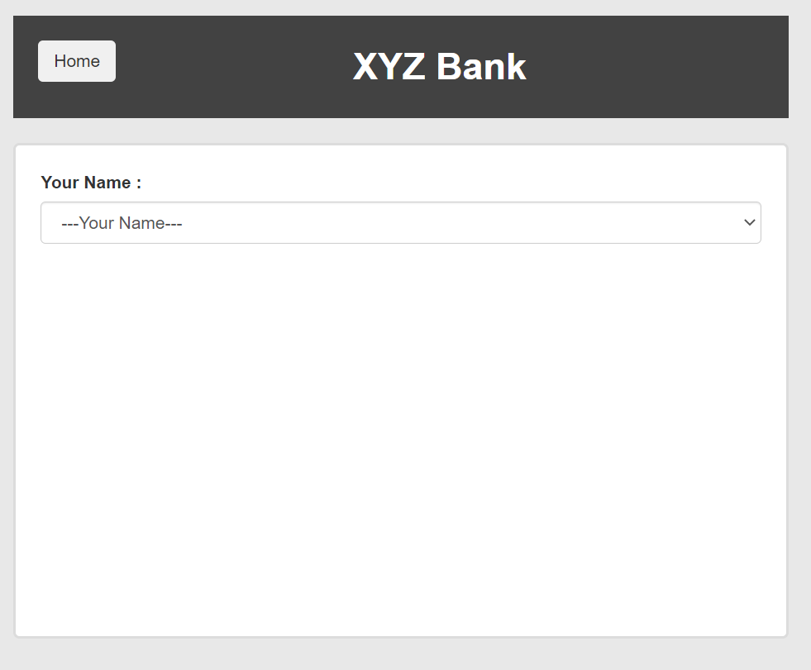
 |  |  |  |  |  |  |  |  |  |  |  |  |  | 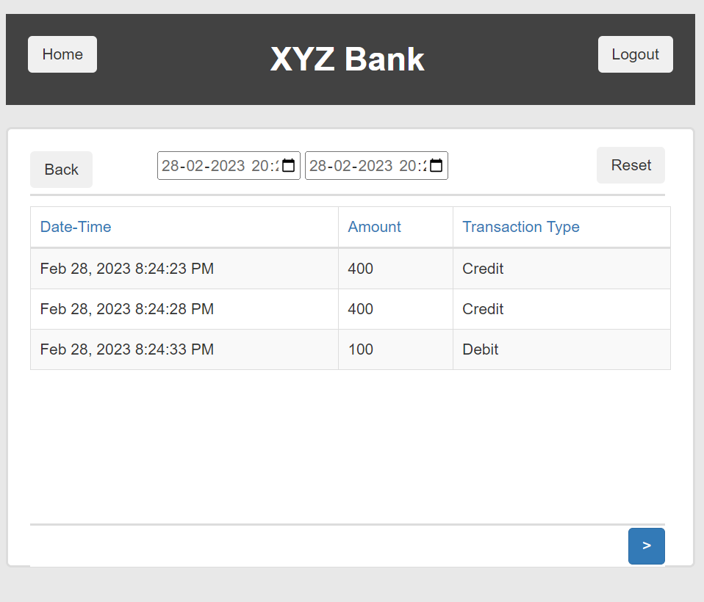

 |  |  |  |  |  |  |  |  |  |  |  |  |  | 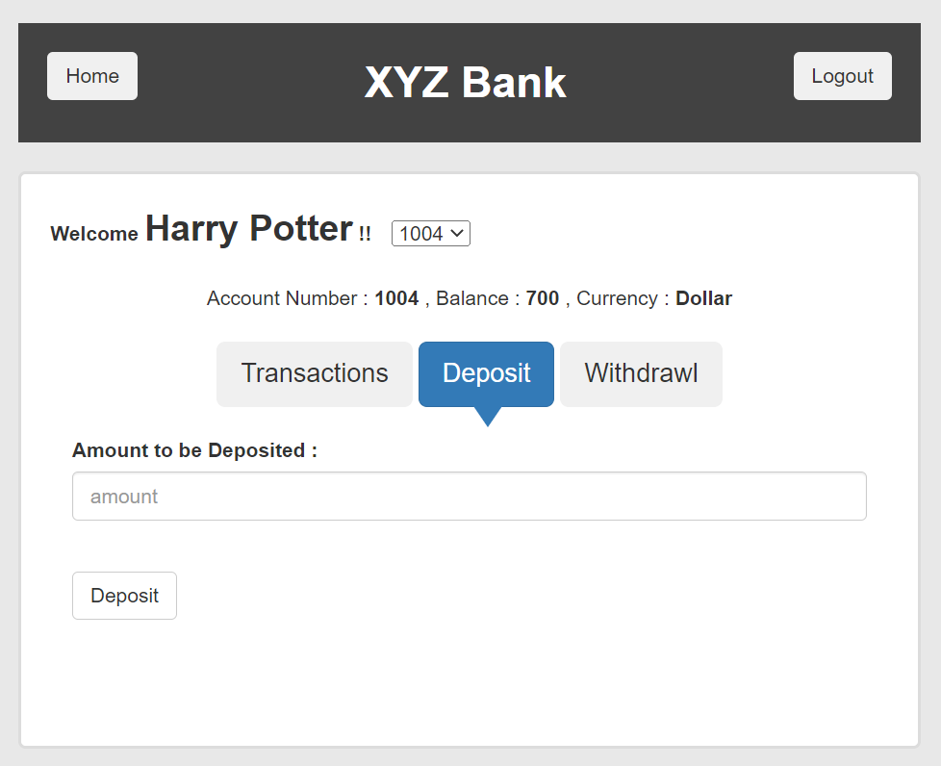 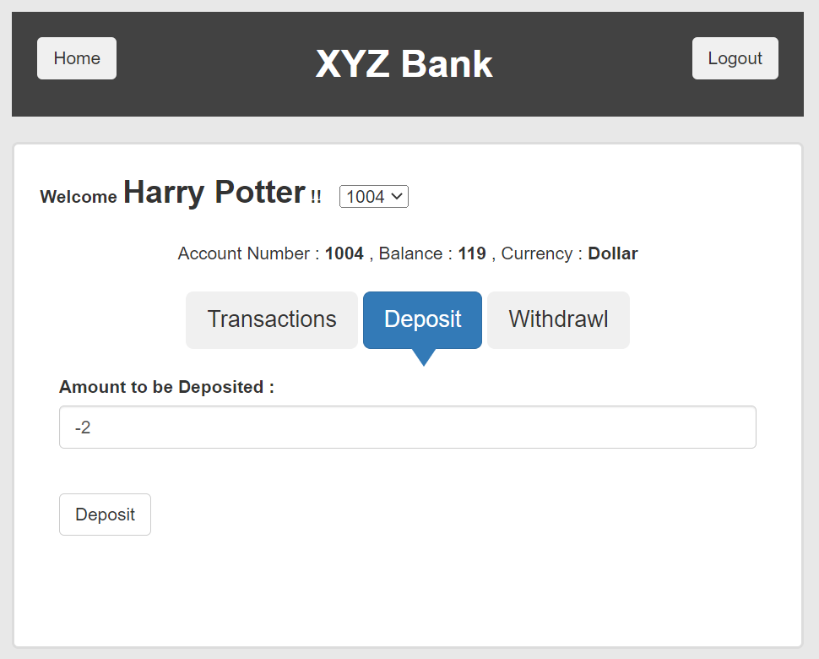
 |  |  |  |  |  |  |  |  |  |  |  |  |  | 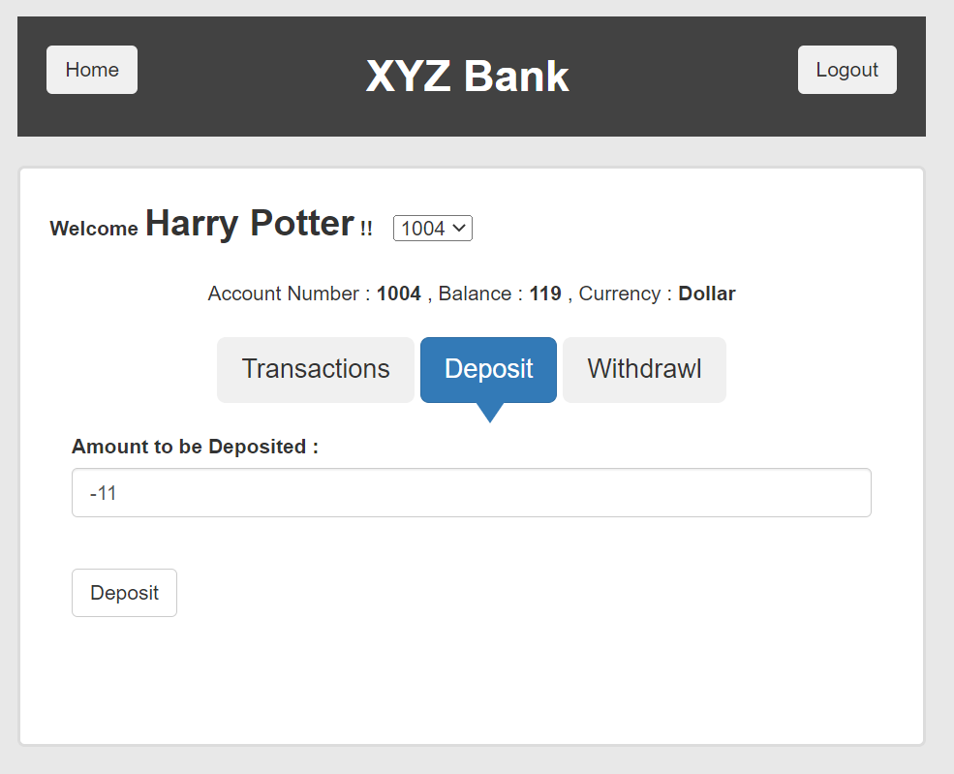

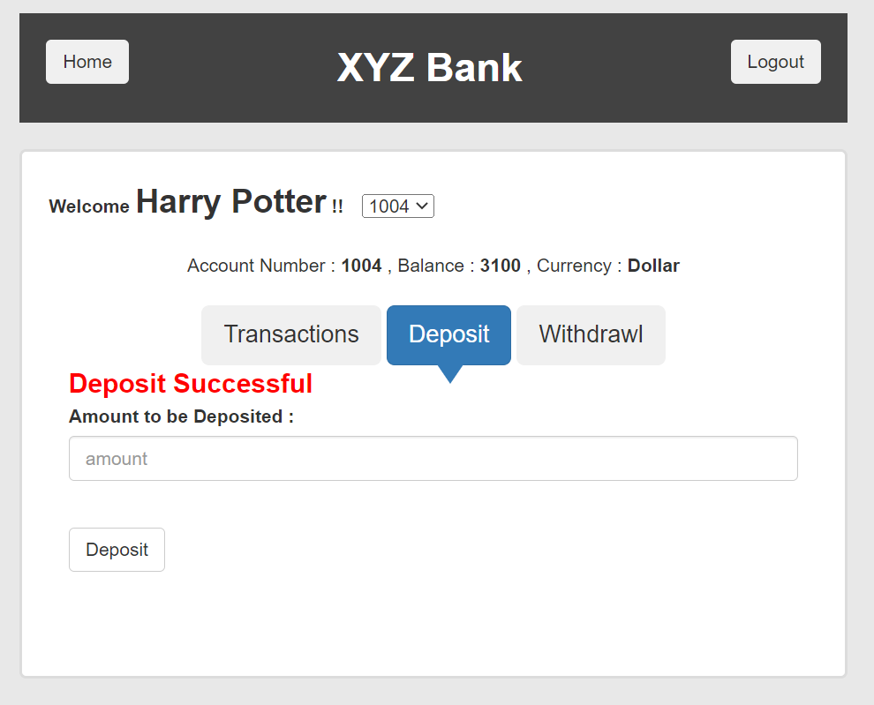

 |  |  |  |  |  |  |  |  |  |  |  |  |  | 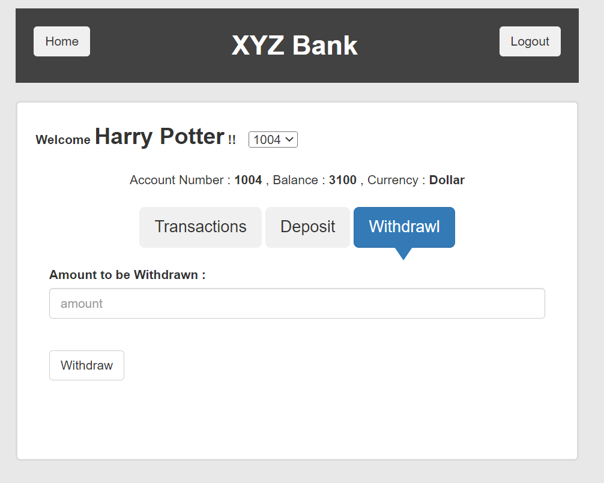  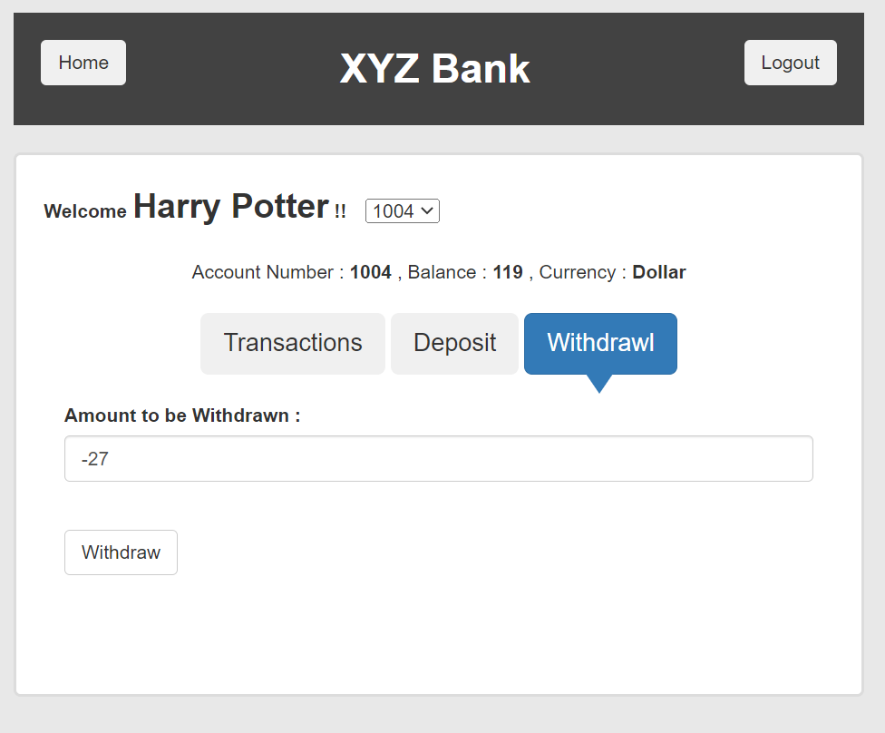
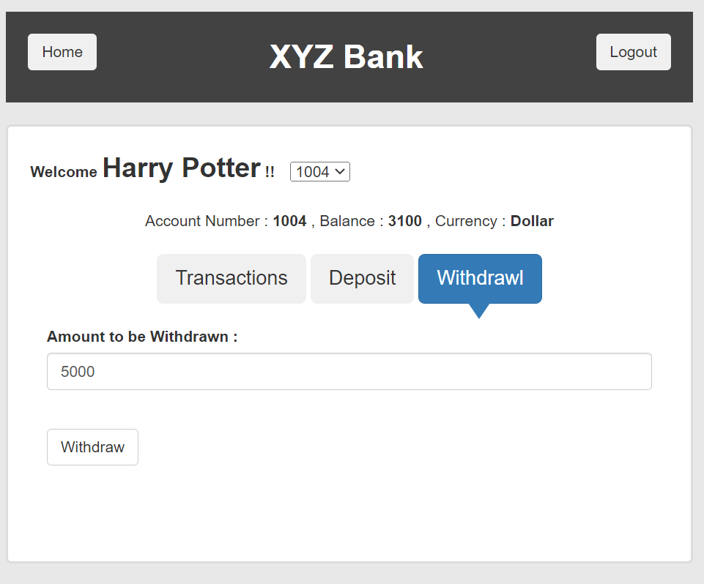

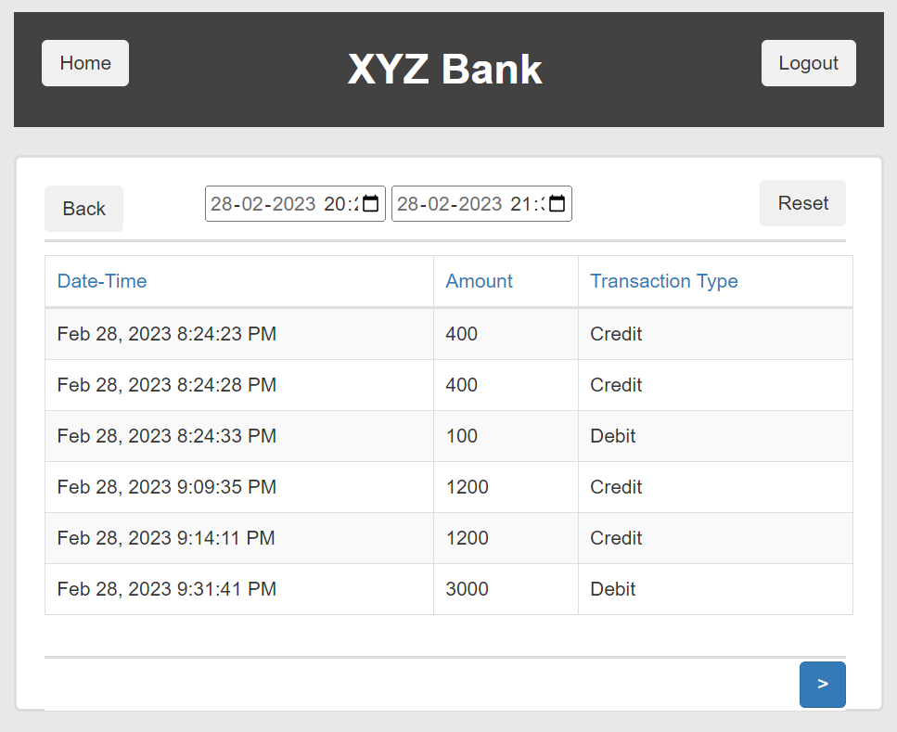

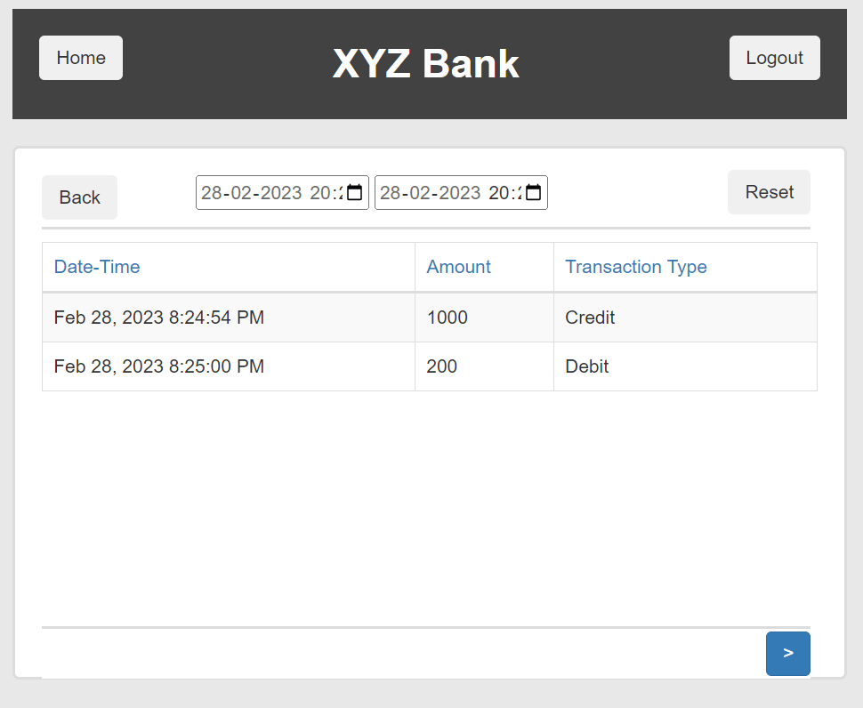

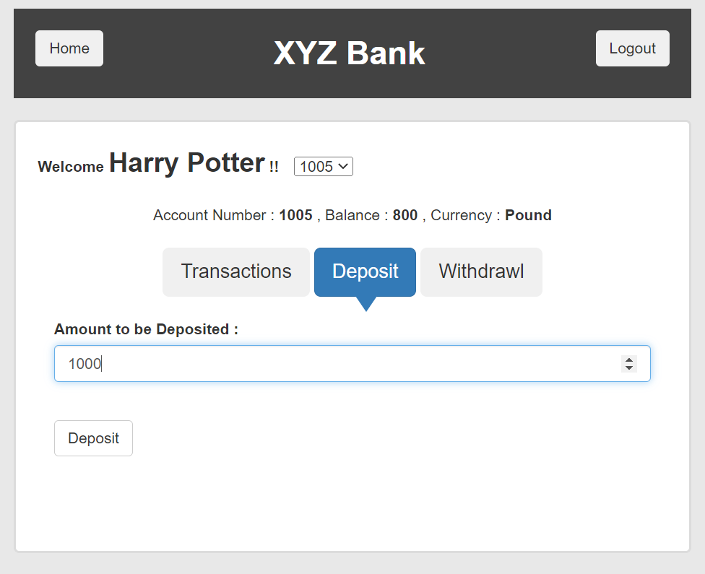
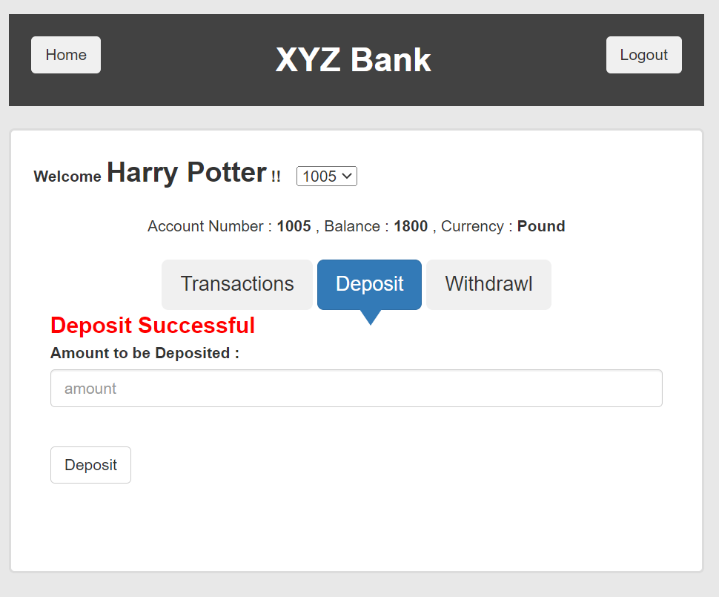

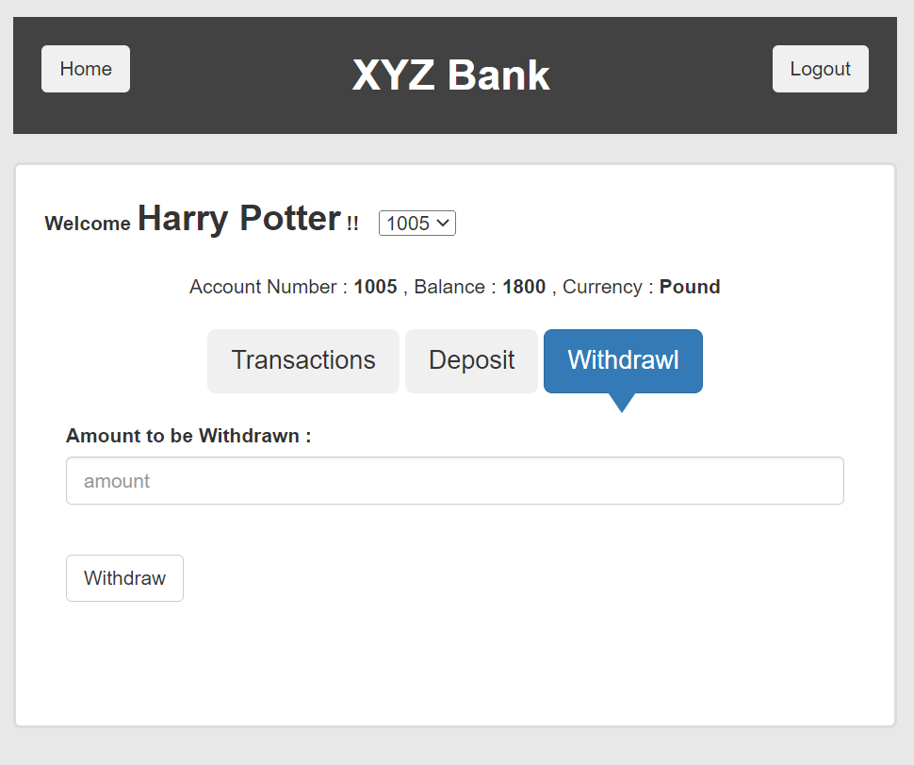

 |  |  |  |  |  |  |  |  |  |  |  |  |  | 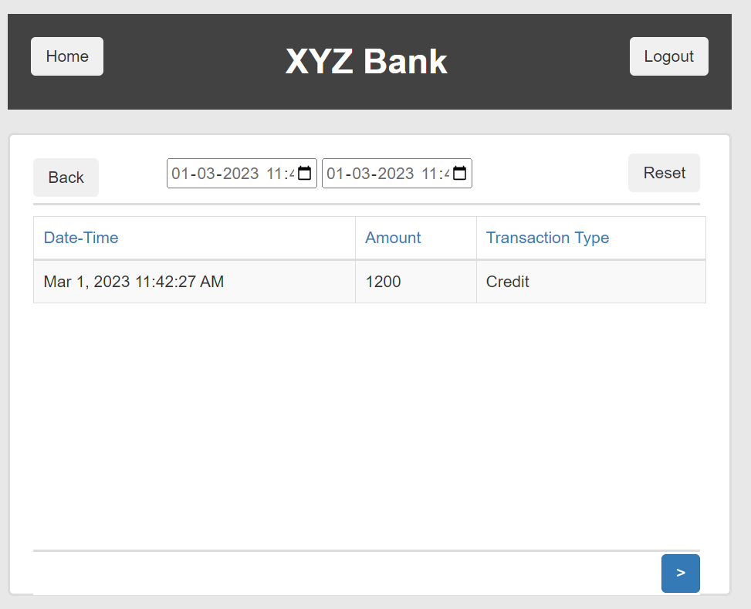

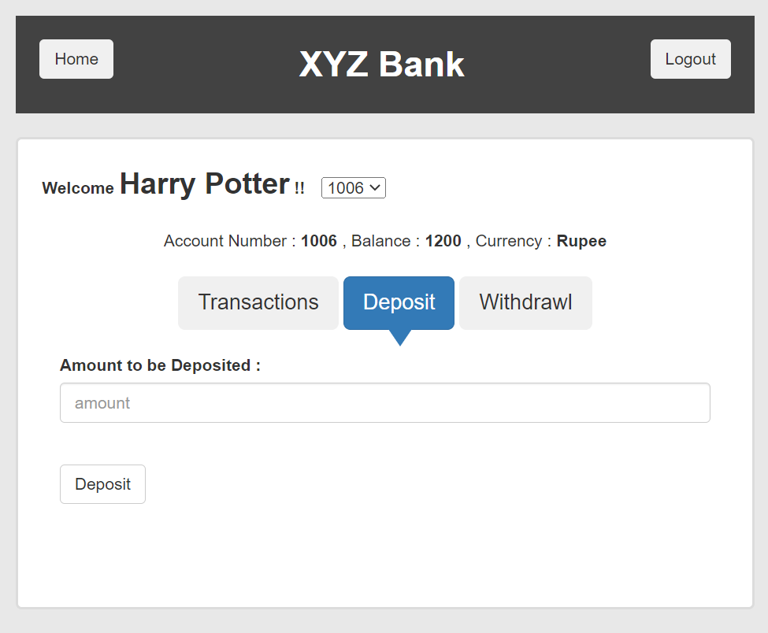
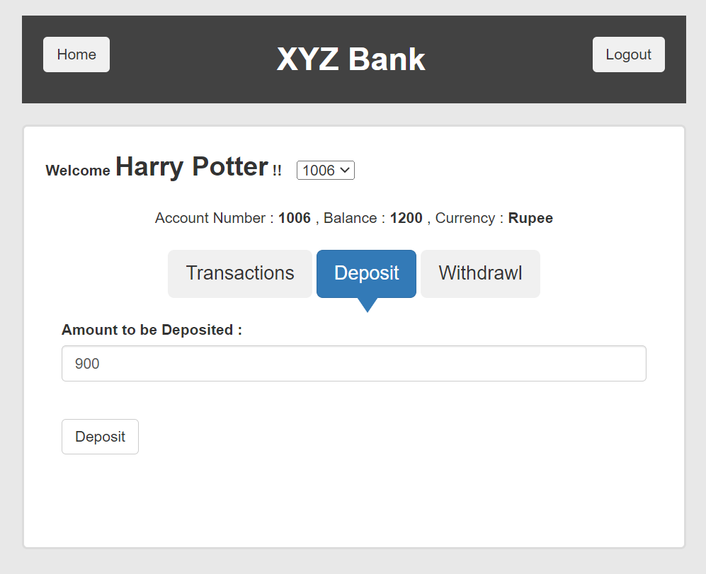
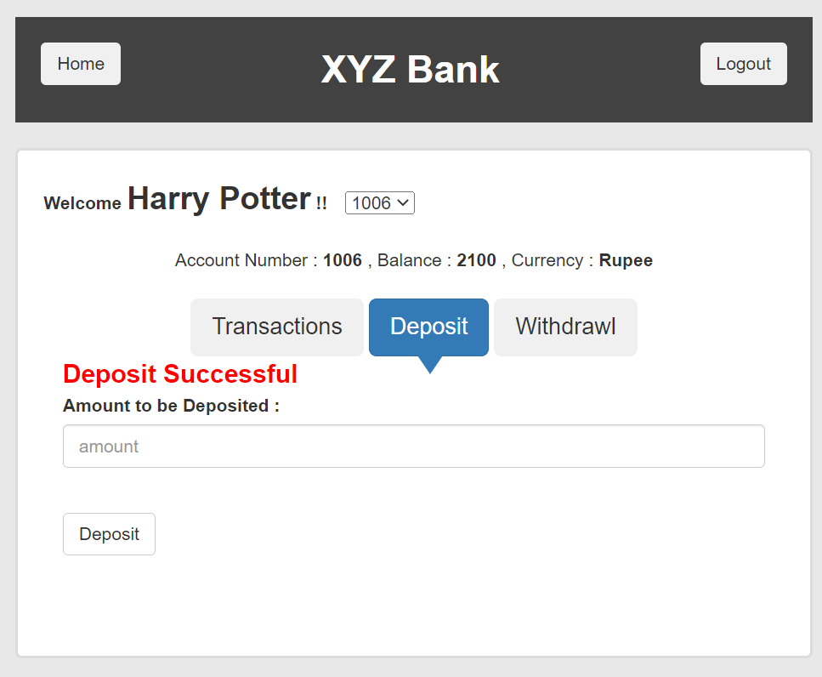

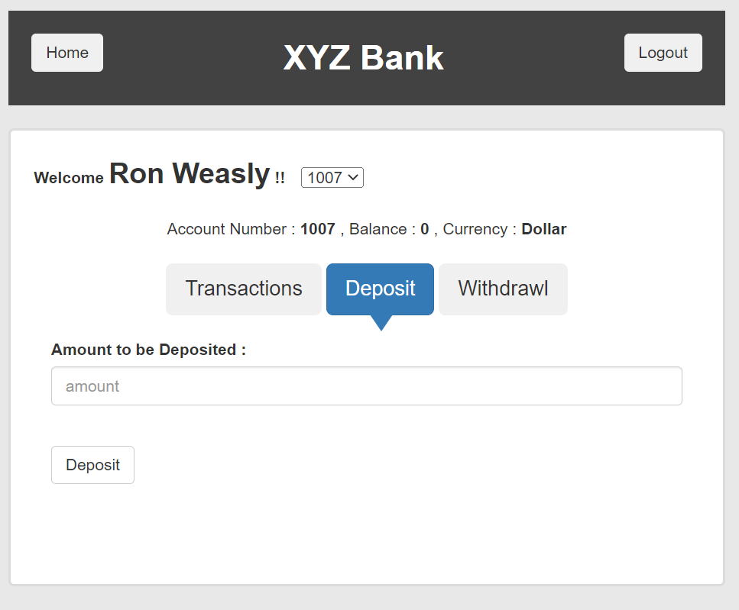
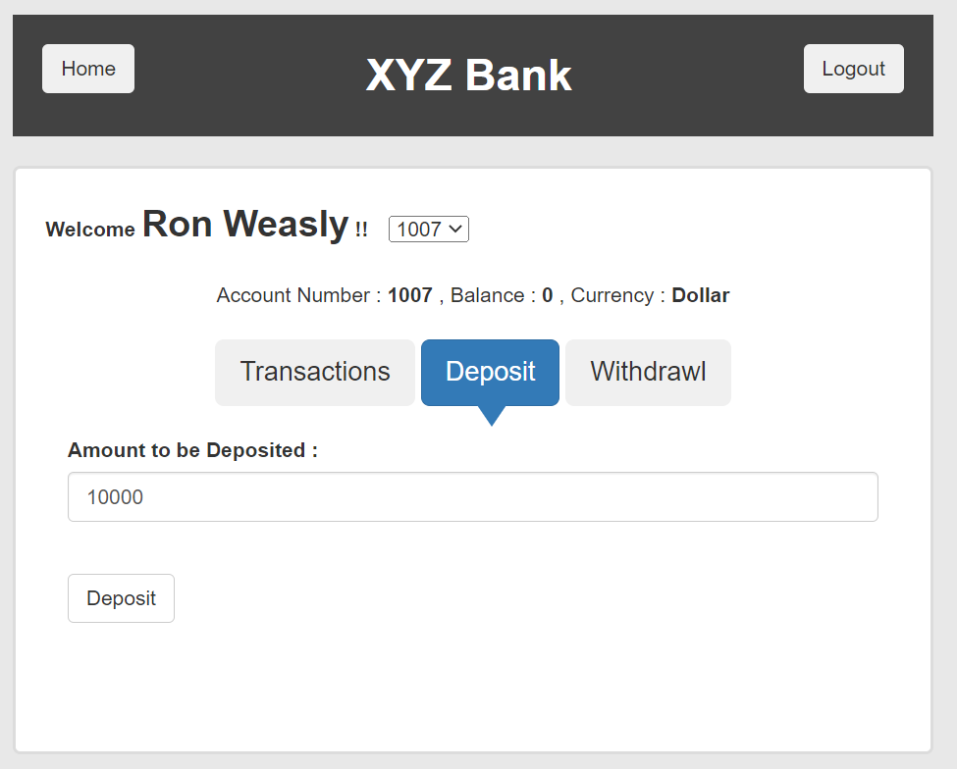
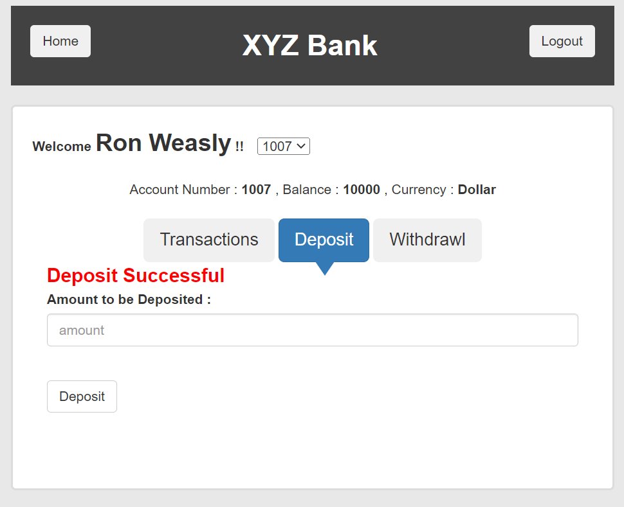

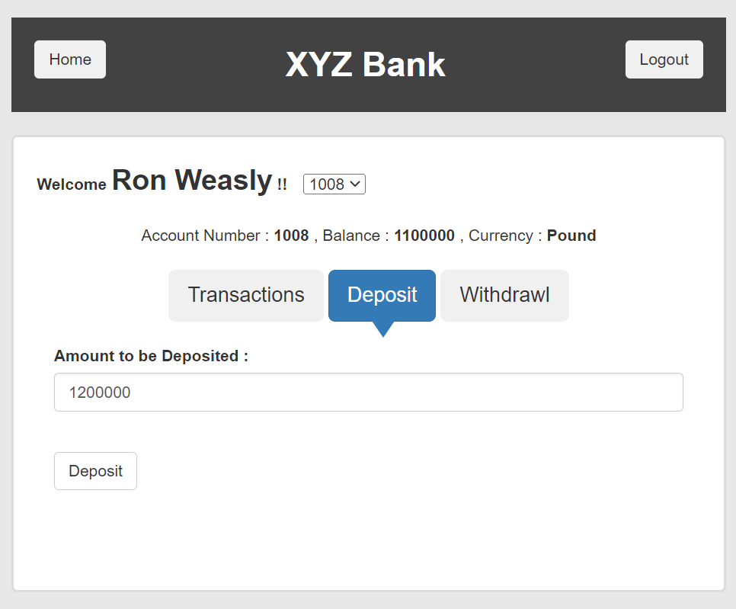

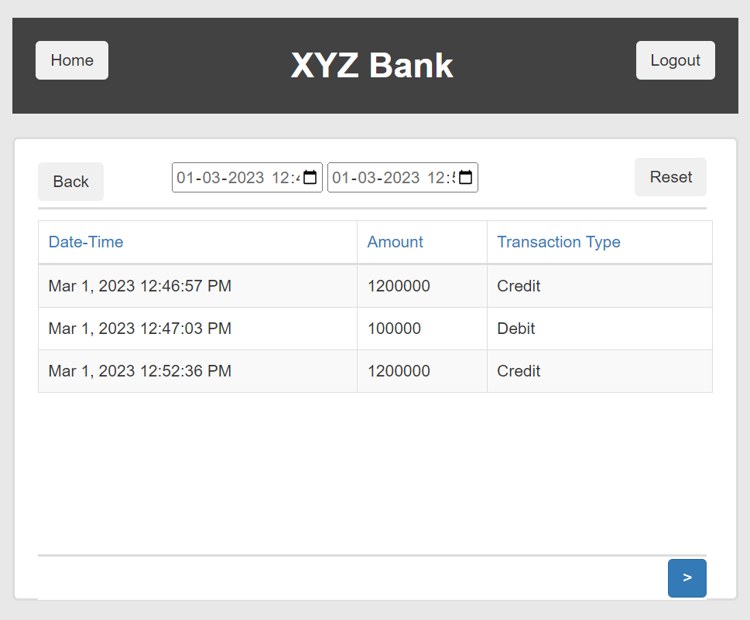

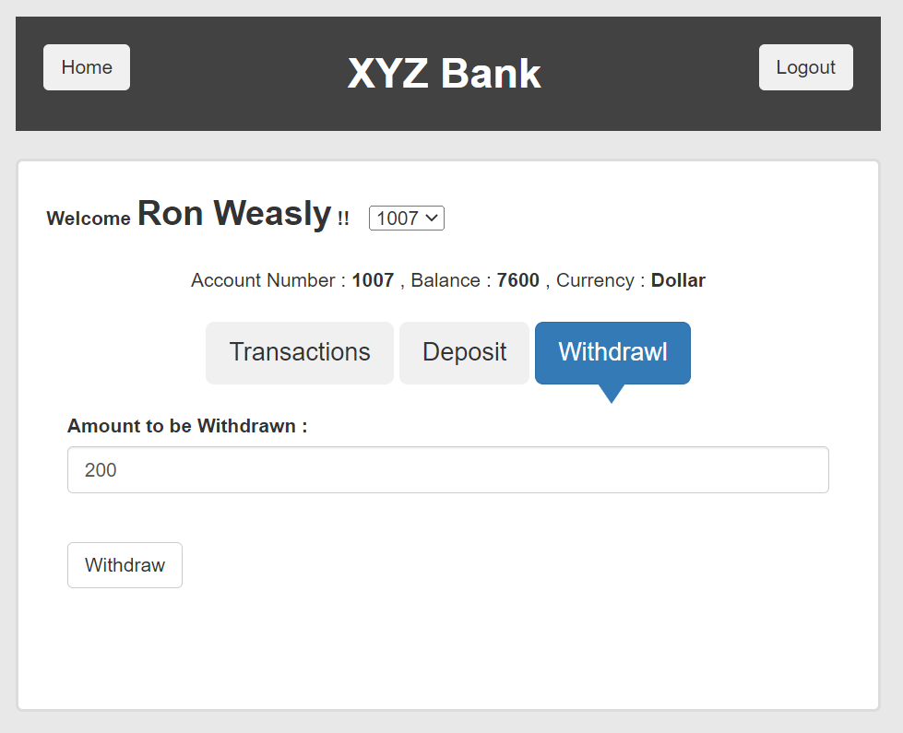
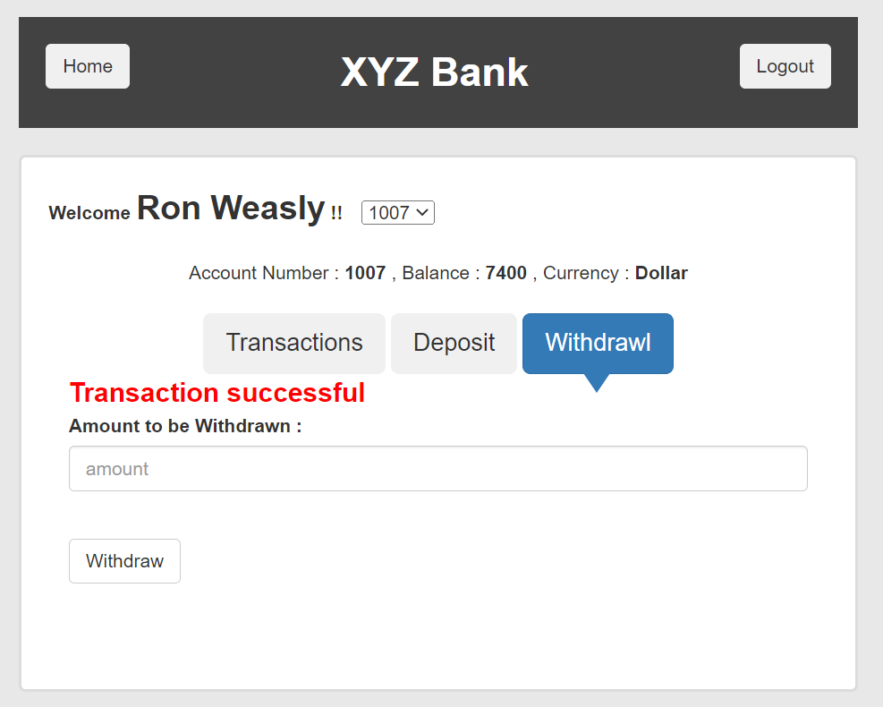
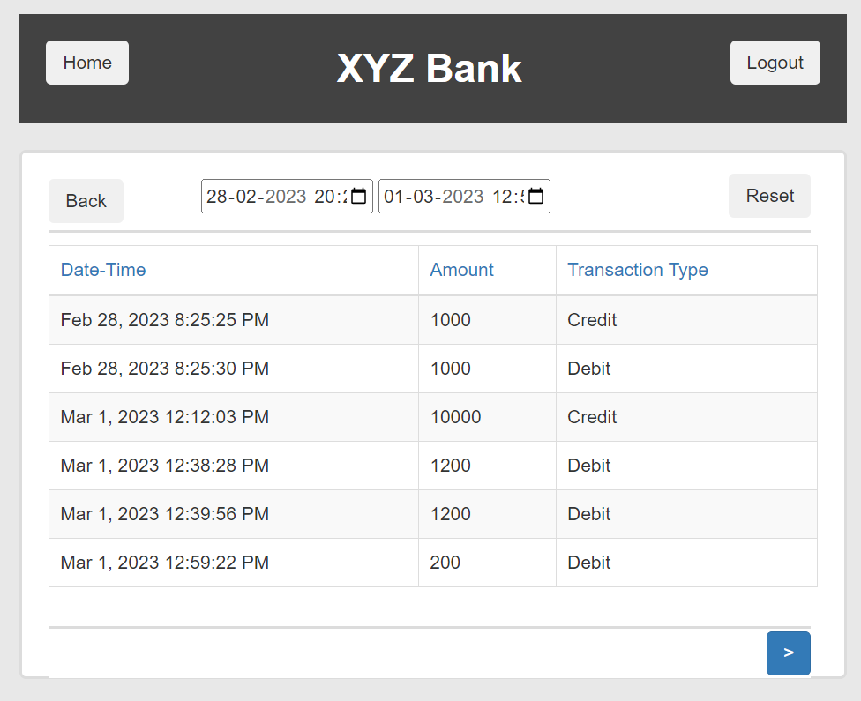
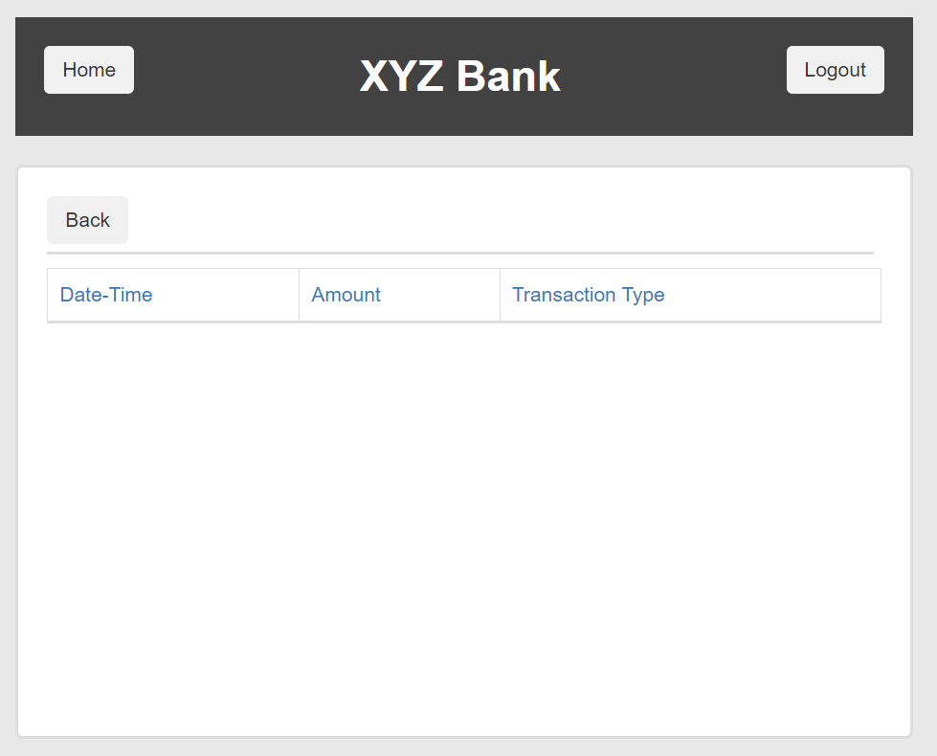
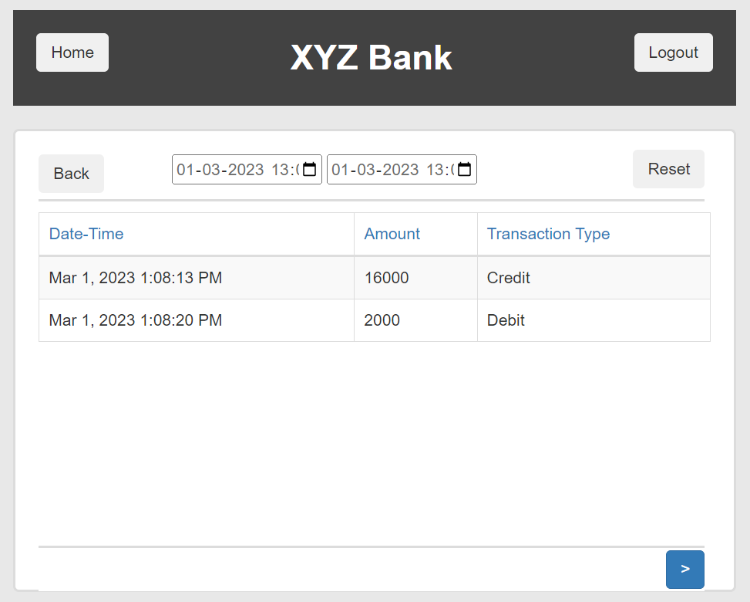
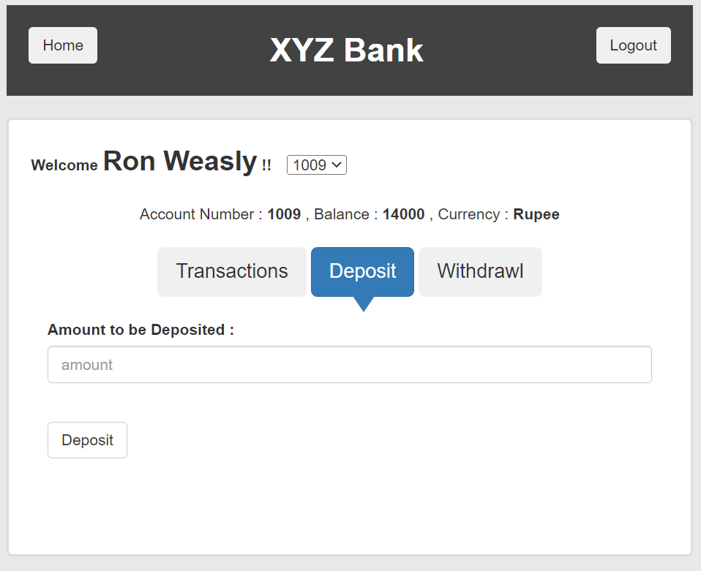
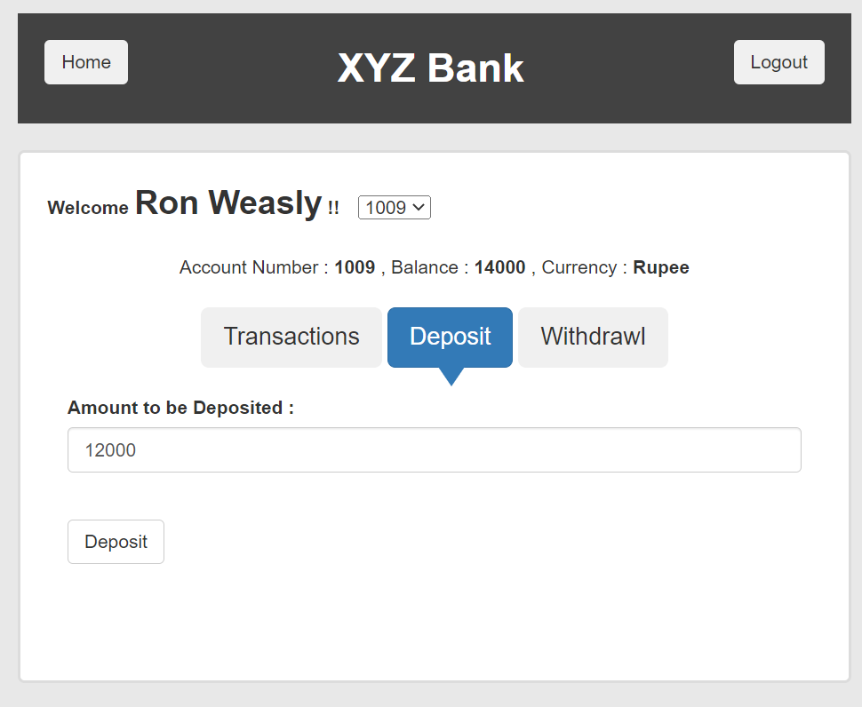
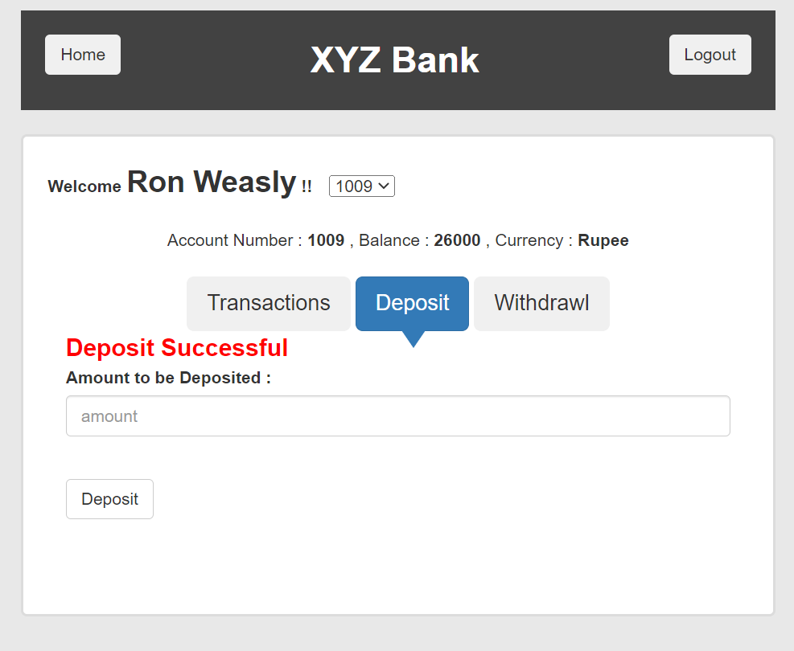

 |  |  |  |  |  |  |  |  |  |  |  |  |  | 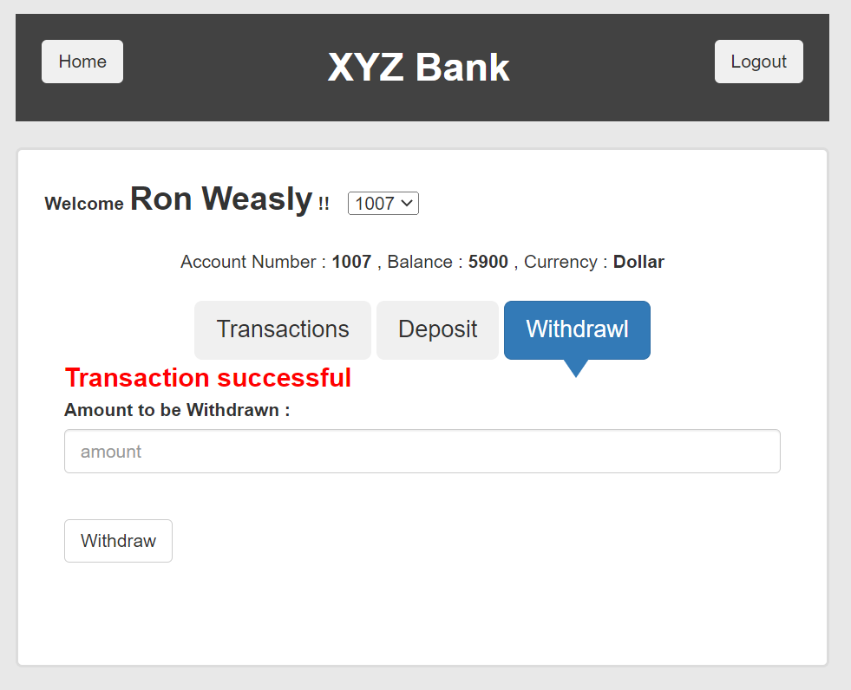 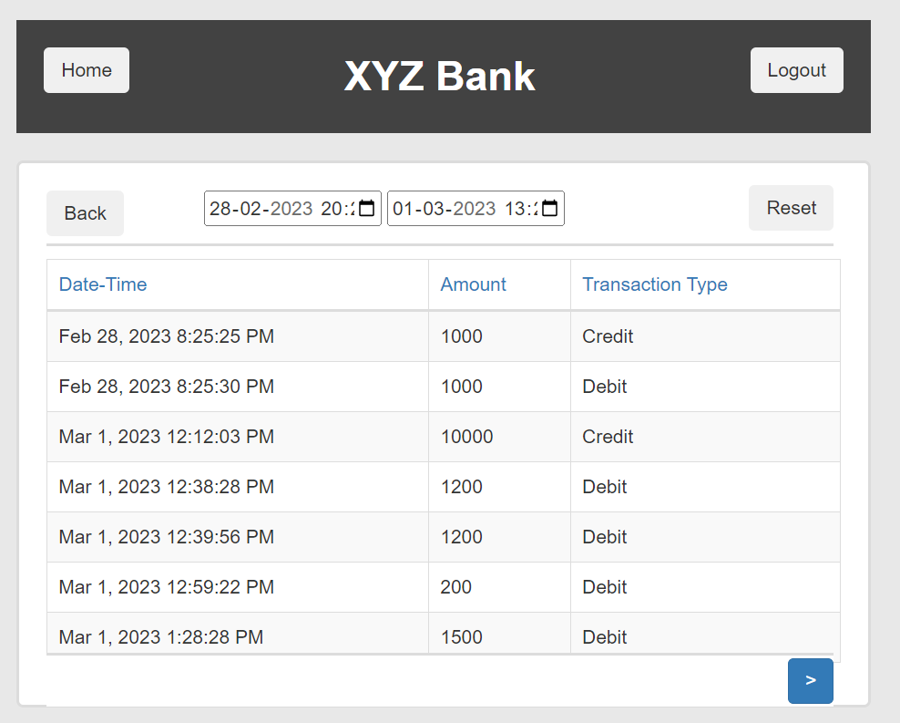 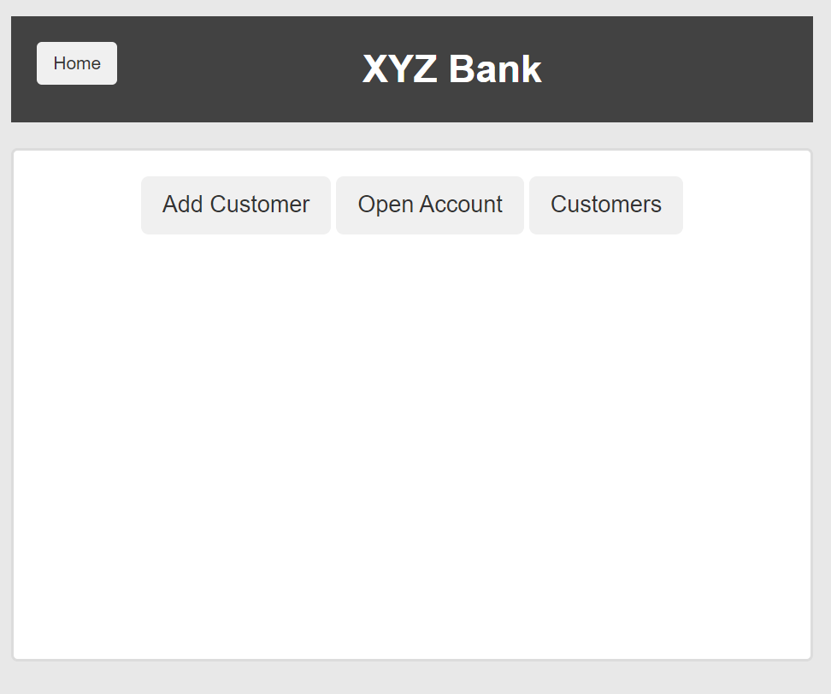
 |  |  |  |  |  |  |  |  |  |  |  |  |  | 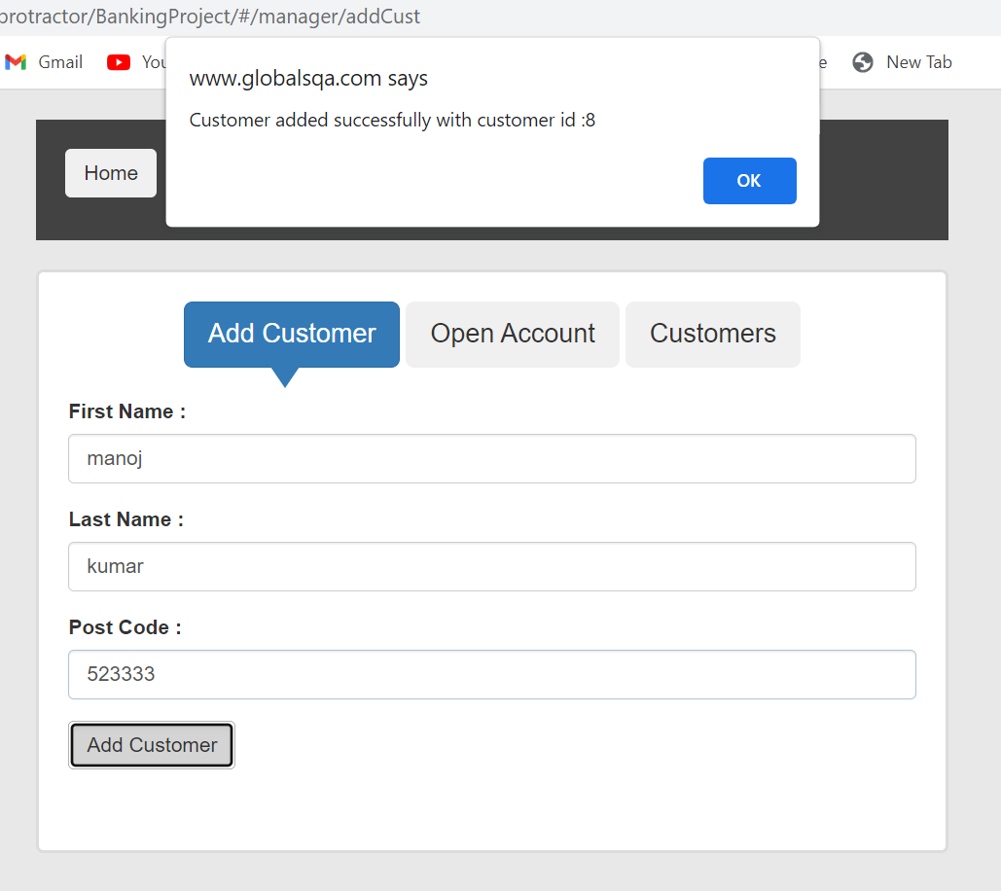
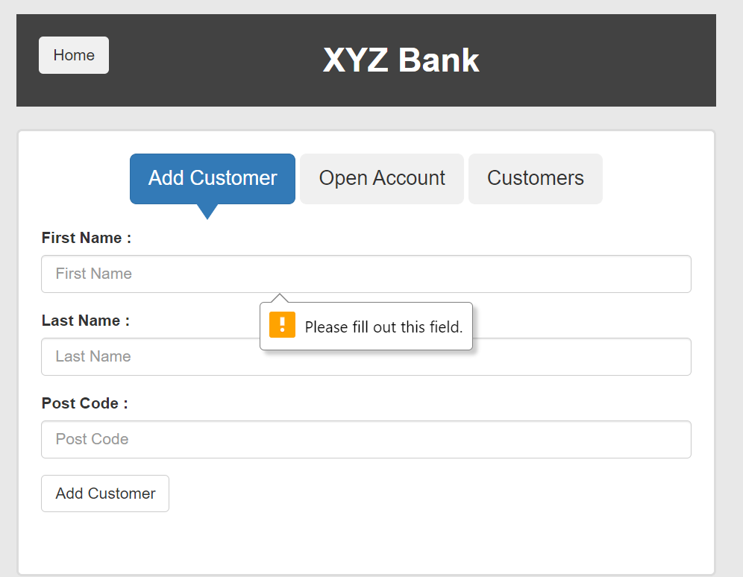
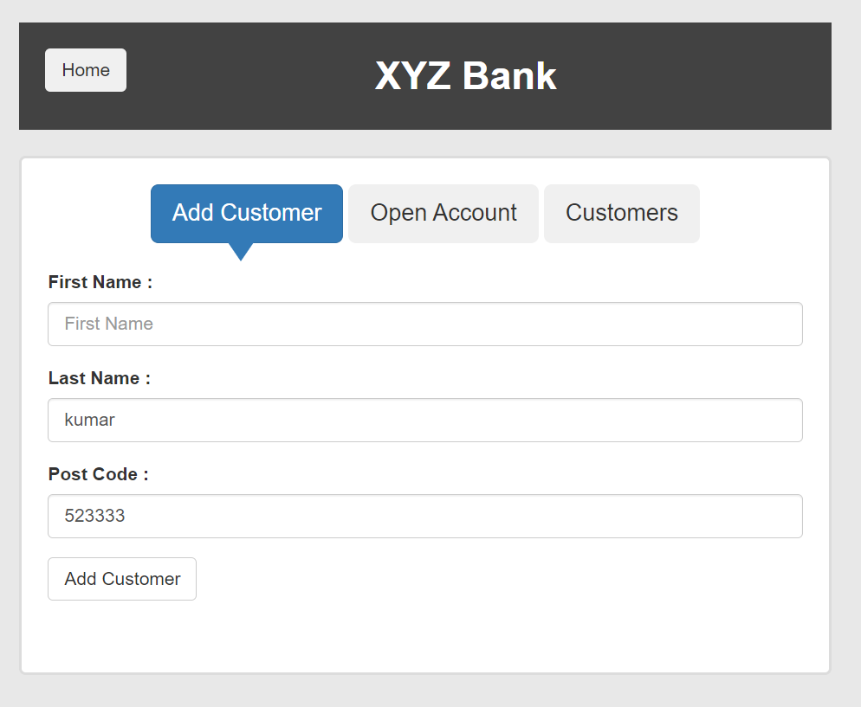

 |  |  |  |  |  |  |  |  |  |  |  |  |  | 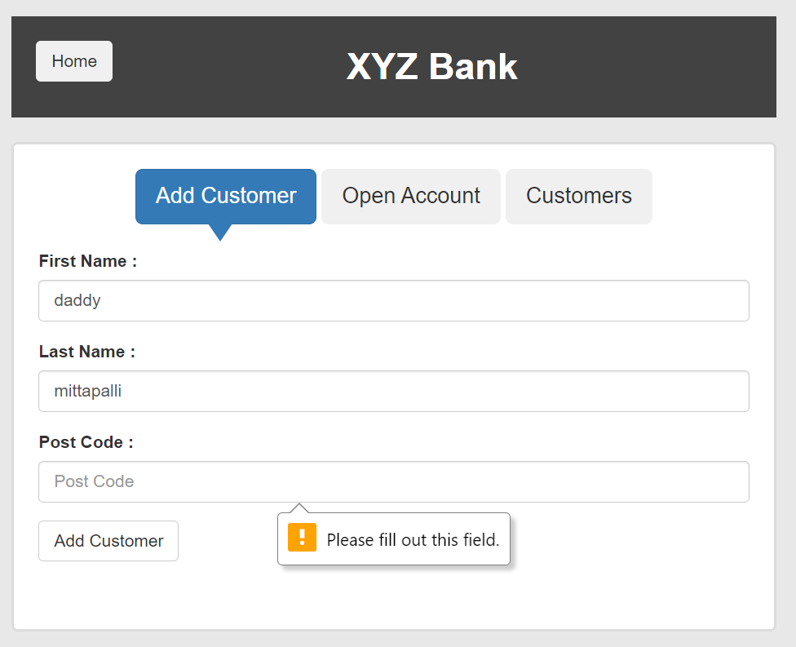 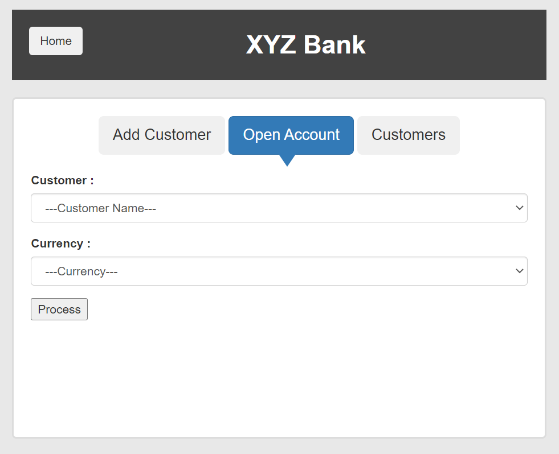 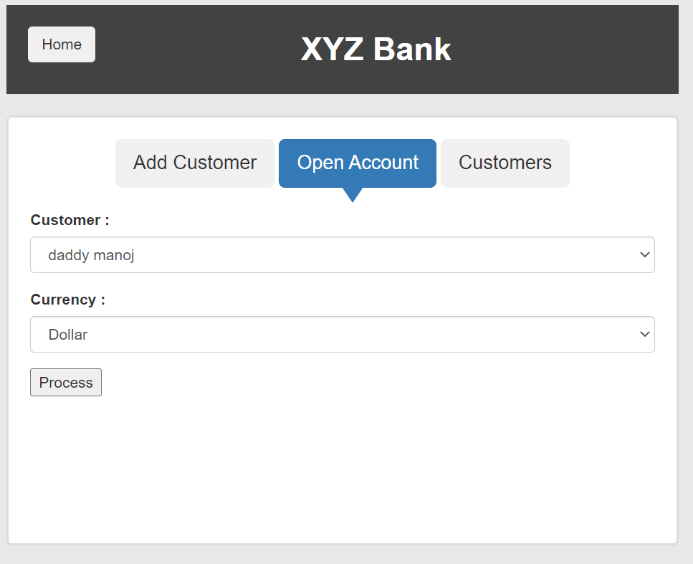 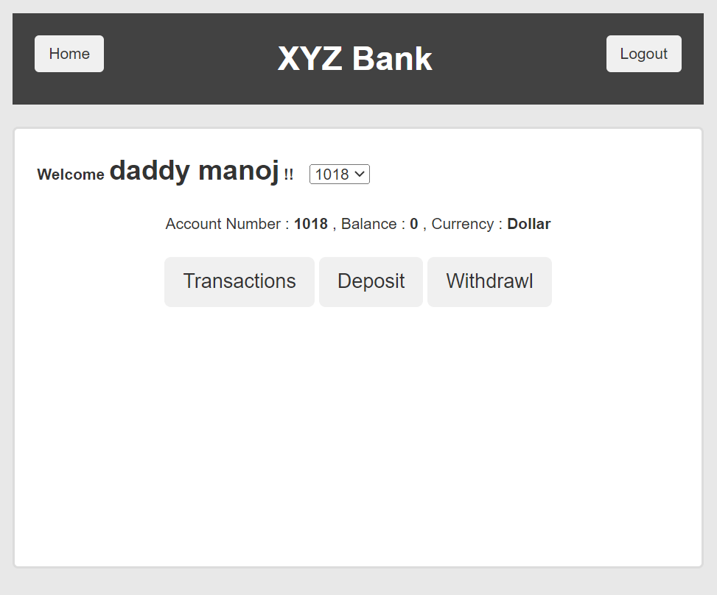

 |  |  |  |  |  |  |  |  |  |  |  |  |  | 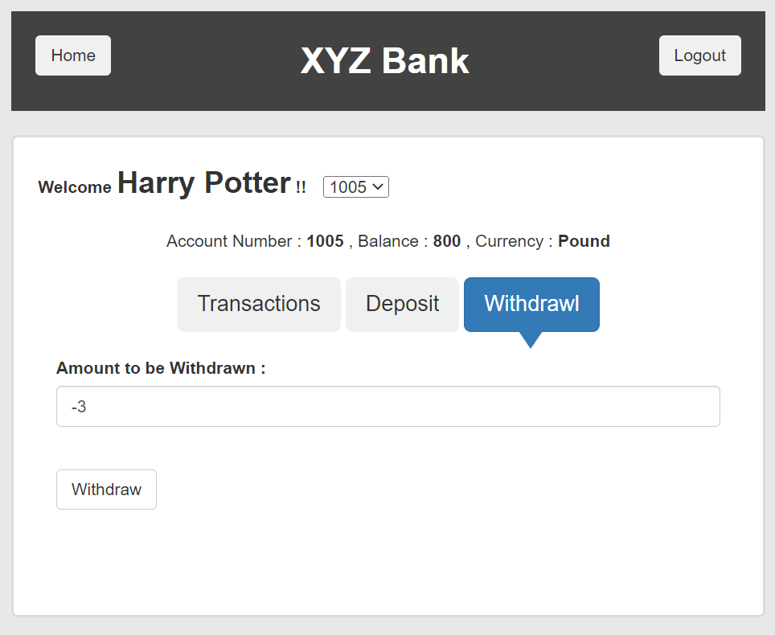 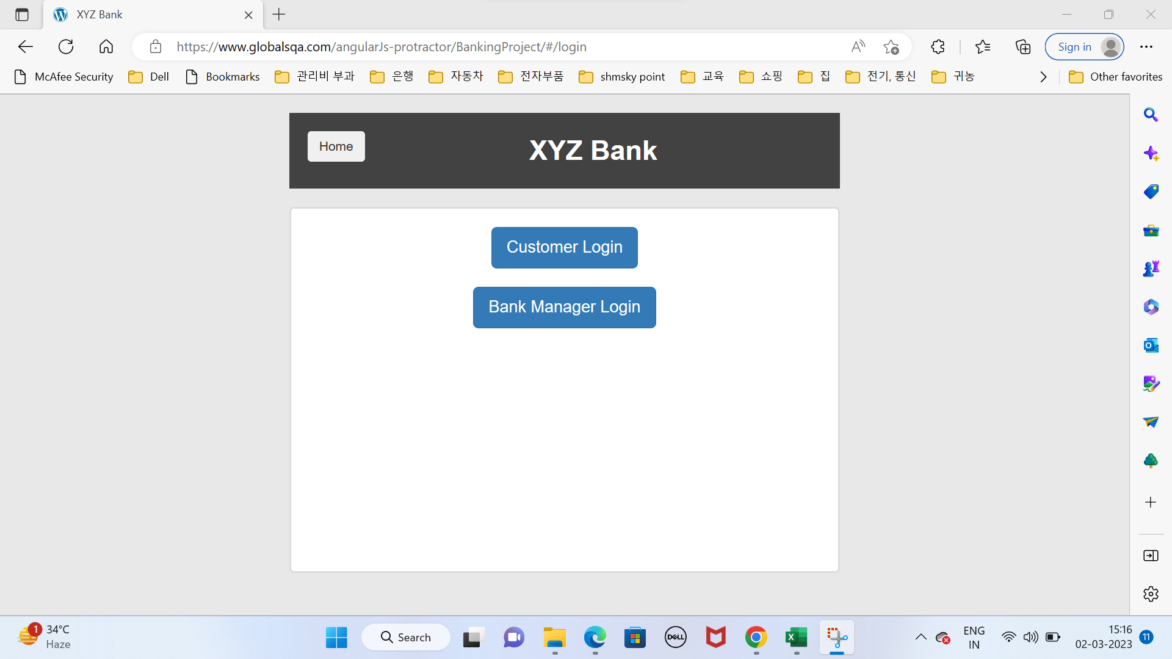

Defects
TE Name | Defect number | Project Name | Module Name | Requirement Number | Test Case ID | Summary | Description | Issues | Severity | Priority | Assign to | Screen Shots
Kanchan | DEF001 | OrengeHRM | Click on login button | REQ001 | TC_002 | Click on login button | 1.open the OrangeHRM application 2. Enter all uppercase characters of userID. 3.Enter valid password. 4.Click on login button. | when entering all uppercase character of user id and valid password it requried to show an error message and don't opening to the homepage | High | Medium |  | 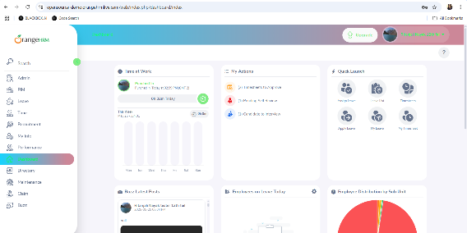

Defect_Snapshots
Defect ID | Test Case ID | Failed Screenshots
DEF001 | TC_002 | 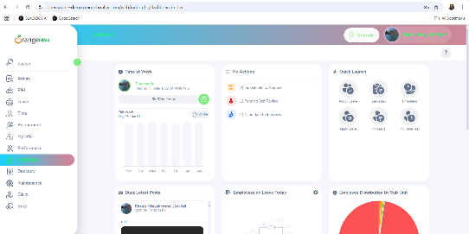

Test excution details
Test Case ID | Test Case Name | Screenshots | TestCase Execution Date | TestCase Execution Start Time | TestCase Execution END Time
TC_01 | Verify the login functionality of OrangeHRM when a user enter a uupercase characters of login ID and correct Password |  | 2025-05-30 | 13:40:00 | 17:55:00

TC_62

